Sheet1
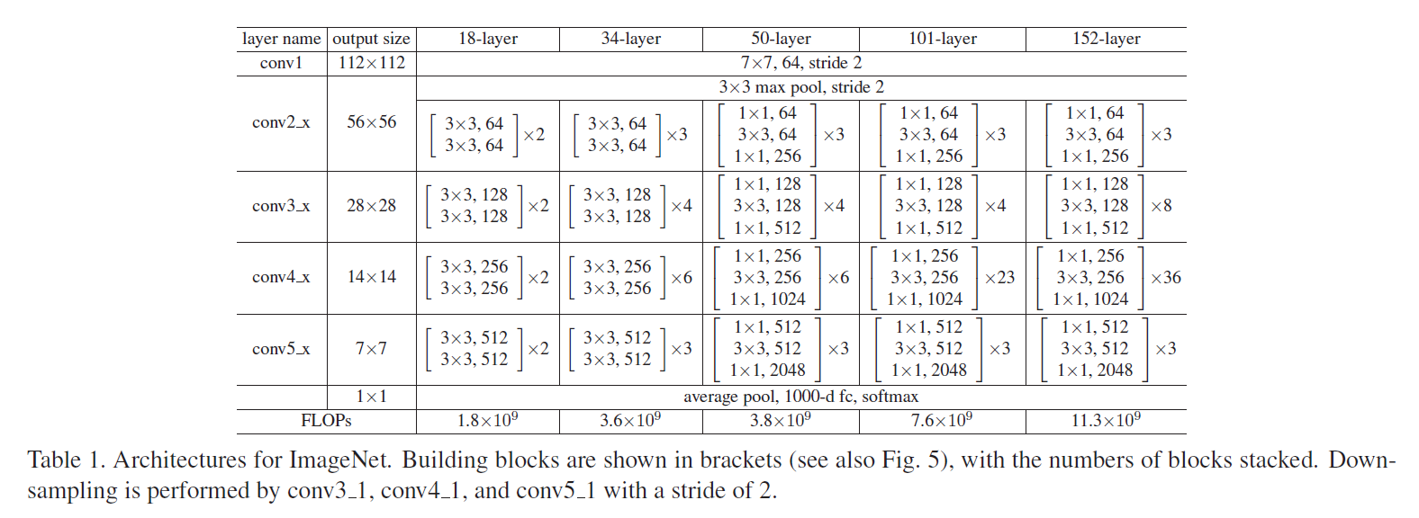
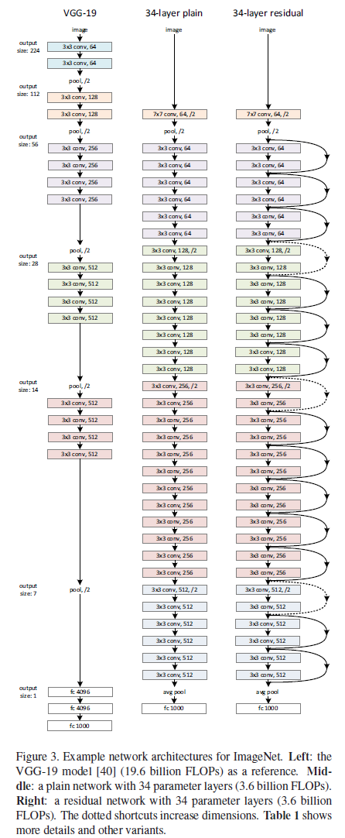
title | Deep Residual Learning for Image Recognition
authors | Kaiming He | Xiangyu Zhang | Shaoqing Ren | Jian Sun |  | Microsoft Research
abstract | residual can be trained easily
 | a depth of up to 152 layers but low complexity
 | CIFAR-10 dataset is a small dataset in classification
 | COCO object detection dataset is a significant dataset on detection dataset
introduction | figure 1 | "plain" network is no-resodial layers
 | diff layers can learn diff features of levels
 | deeper networks may get higher error rate and it is not caused by overfitting
 | if there is a good work by a simple network, we make it deeper, and the added layers are identity mapping. And it should not become worse performance but why the fact is?
 | Deep Residual give a solution that a deeper network can perform no worse than a shallower network
 | initial layers | knowledge | H(x)
 | add layers | knowledge | F(x) = H(x)-x
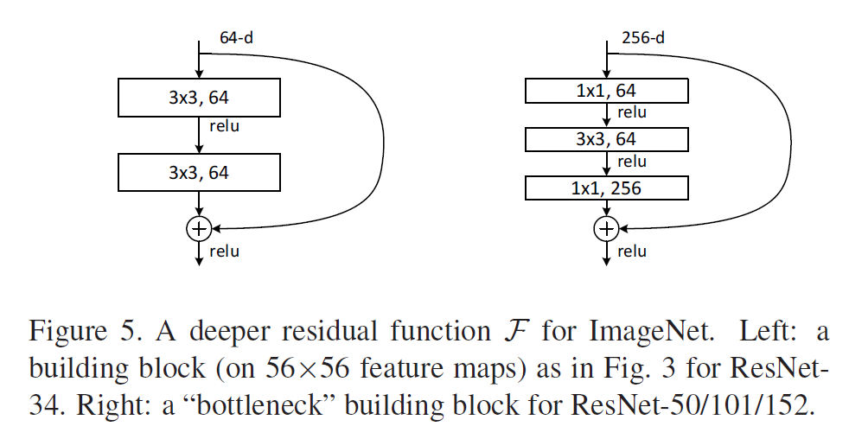
 | the network | knowledge | x + F(x) | shortcut connections
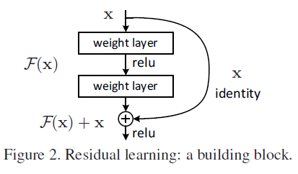
related work | residual representations
 | shortcut connections
 | network architectures | plain network | VGG-19
 |  |  | 34-layer plain
 |  | residual network | 34-layer residual
 |  |  | 1*1 conv don't change the space features (width and heigth) but only change channel of inputs
deep residual learning | implementation | shorter side randomly sampled in [256, 480]
 |  | 224*224 crop is randomly sampled from an image or its horizontal flip
 |  | the standard color augmentation
 |  | batch normalization
 |  | batch size | 256
 |  | learning rate | 0.1
 |  | weight decay | 0.0001
 |  | momentum | 0.9
 |  | no dropout
experiments | plain network (table 1) | five versions of residual networks
 |  | some hyperparameters is given in table
 | FLOPs | The abbreviation of floating point operations per second, which refers to the number of floating-point operations per second, is understood as the speed of calculation. is a measure of hardware performance
 | FLOPS | The abbreviation of floating point operations (s table plural), which means floating-point operation number, is understood as the amount of computation. Can be used to measure the complexity of an algorithm/model
 | 3 methods for diff I/O | A (perform bad) | zero-padding |  | projection is in/decrease demensions via 1*1 conv
 |  | B (better method) | projection shortcuts are used for increasing demensions
 |  | C (cost more) | all shortcuts are prjections
 | deeper bottleneck architectures | when layers>50, the architectures can be used
 |  | decrease demension ,then conv, finnally increase demension by 1*1 conv
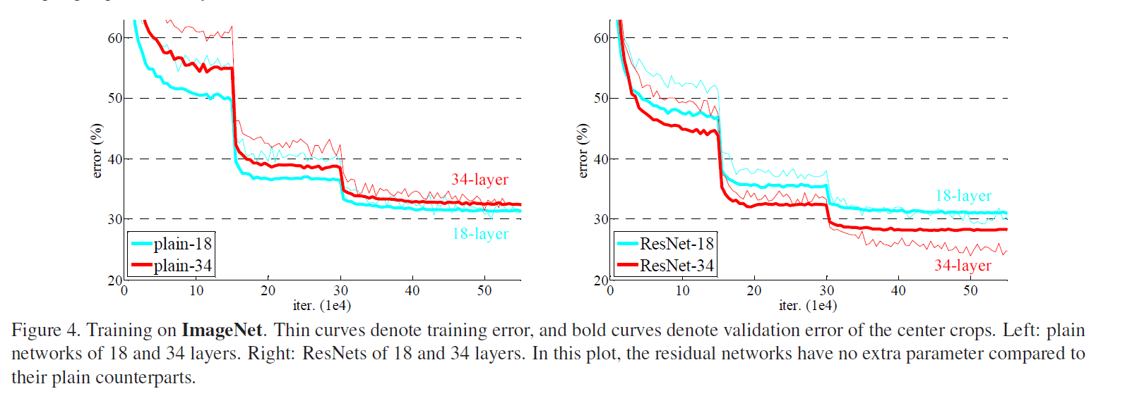
 | mAP | one metrics in objection detection
application | avoid gradient disappearing

